PR_45degree_1.31%_total170.52
ItemNameType | ProcessType | Item | ItemName | CountCountESN | Retest | Comment
18192 | DescentMK3_HT | 86 | GPS_ (L1 + L5) by ref | 90/402 | 22.39 | 程式設定錯誤，chamber天線位置錯誤。已修正
18203 | DescentMK3_FT2 | 213 | ALS Luminance (WLED ON) (MK3) | 40/394 | 10.15 | 使用Q-sun預防版本螢幕，所以值低。規格會調成3900，所以此次重測應全過
18191 | DescentMK3_CT | 42 | GPS_L5 by ref | 34/411 | 8.27 | 軟排位置問題? @Maggie
18213 | DescentMK3_FT_Underwater_Sonar | 37 | Sonar TX RMS Average(MK3i) | 30/367 | 8.17 | 挑產測低中高機台給美國 對應湖測規格(最低800, 中1100, 高1700)
18322 | DescentMk3_ATE | 26 | Enter按鍵測試 - MAX Value|EnterKey Test - MAX Value | 27/478 | 5.65
18203 | DescentMK3_FT2 | 40 | VEXT Disable Charging Current | 21/394 | 5.33 | 沒有實際不良。加2s之後等待機台量測
17545 | DescentMK3_M_B | 211 | Check Beeper Frequency_ FFT(From DAQ) | 20/389 | 5.14 | 6台貢獻的重測結果，還在確認原因。(鐵蓋沒問題、SMT元件沒問題，重新組裝鐵蓋後聲音會回來?!) @Nora @roger
18191 | DescentMK3_CT | 50 | Check Time Zone Map | 21/411 | 5.11 | 後灌設定錯誤，已解決
18205 | DescentMK3_RTESN | 42 | M-Sensor BIST Overall | 19/417 | 4.56 | 重開機問題造成重測，無真實不良
18205 | DescentMK3_RTESN | 88 | ALS Luminance (WLED ON) | 17/417 | 4.08 | 3台沒有扣好 LCM上的Connector掉下來 (要後站檢測)
18200 | DescentMK3_Compass | 14 | Check Unit Pitch on 45 degree | 13/383 | 3.39
18205 | DescentMK3_RTESN | 112 | Depth Pressure | 13/417 | 3.12 | 4pcs 真實不良 點膠? 導入壓力筆?
18195 | DescentMK3_FT1 | 30 | GPS_ (L1 + L5) by ref | 11/396 | 2.78
8837 | Airtight_Table | 127 | 壓力超出規格_常壓 | 11/398 | 2.76 | 3台真實不良，主要是兩種depth sensor Oring裝錯
18191 | DescentMK3_CT | 65 | Glonass_65 | 9/411 | 2.19
18213 | DescentMK3_FT_Underwater_Sonar | 39 | Sonar TX 40K - 0 degree RMS | 8/367 | 2.18
18208 | DescentMK3_IND_Button | 18 | (Equipment) Check PC Mode | 9/414 | 2.17
18208 | DescentMK3_IND_Button | 19 | (Equipment) Start Inductive Key Press Test | 9/414 | 2.17
18205 | DescentMK3_RTESN | 57 | GPS_L5 | 8/417 | 1.92
18205 | DescentMK3_RTESN | 63 | Glonass_65 | 8/417 | 1.92
18202 | DescentMK3_Gyro | 13 | Gyro Data X軸檢查 (CW #1) | 7/379 | 1.85
18199 | DescentMK3_Baro | 11 | 0.5 ATM diff with golden | 7/383 | 1.83
18195 | DescentMK3_FT1 | 98 | NFC Antenna Self-test Tx Current | 7/396 | 1.77
18322 | DescentMk3_ATE | 60 | Conducted GLONASS Sensitivity (Medium) | 8/478 | 1.67
18213 | DescentMK3_FT_Underwater_Sonar | 60 | Sonar TX 40K - 135 degree RMS | 6/367 | 1.63
18203 | DescentMK3_FT2 | 221 | ALS Luminance (WLED ON/After Calibration) | 6/394 | 1.52
18203 | DescentMK3_FT2 | 27 | BLE LESC Pairing Test | 6/394 | 1.52
18195 | DescentMK3_FT1 | 185 | GPS_L5 by ref | 6/396 | 1.52
18191 | DescentMK3_CT | 60 | GPS_ (L1 + L5) by ref | 6/411 | 1.46
18322 | DescentMk3_ATE | 168 | Internal Humidity (BME280) | 7/478 | 1.46
18208 | DescentMK3_IND_Button | 39 | UP按鍵測試 - MAX Value|UP Key Test - MAX Value | 6/414 | 1.45
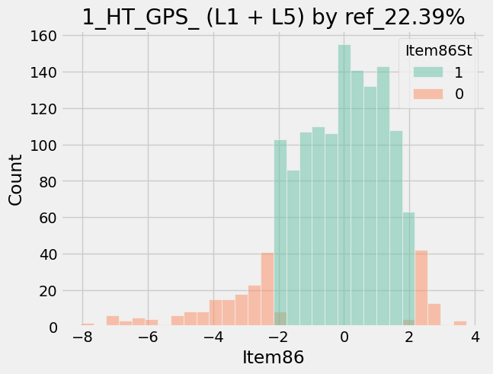
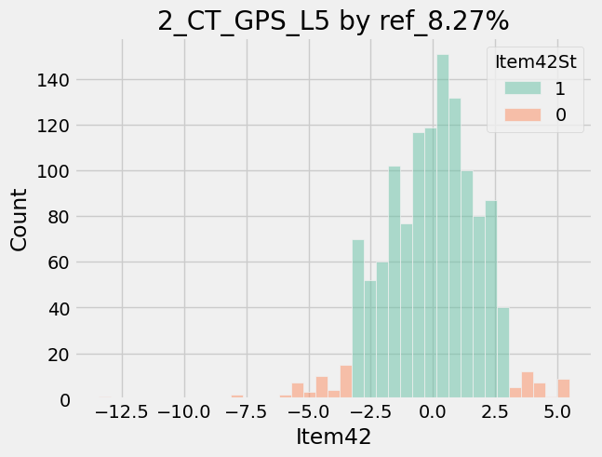

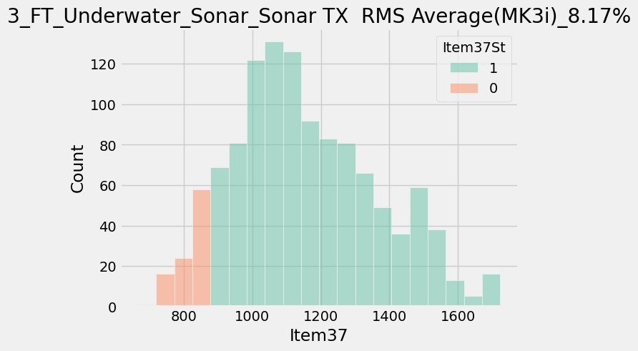
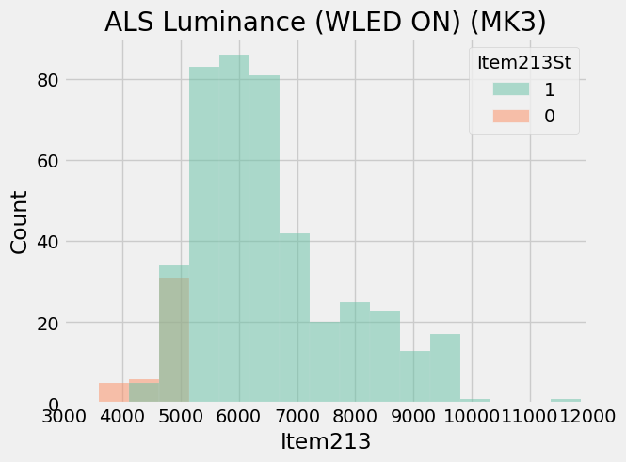

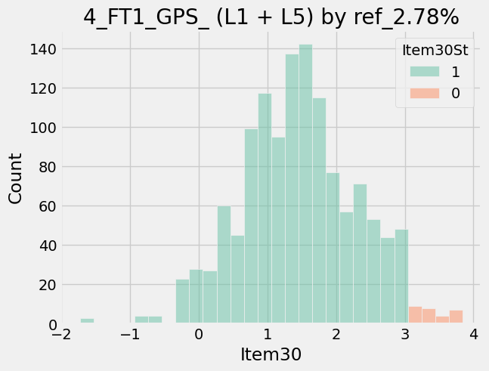
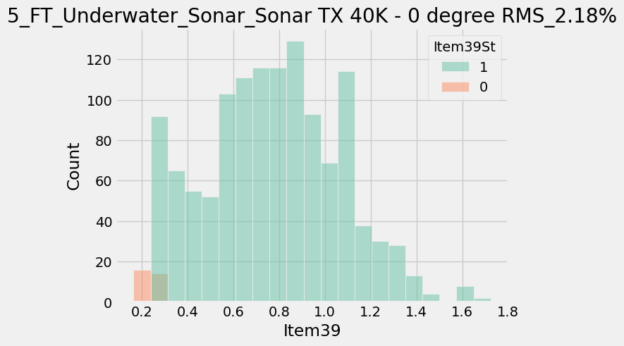

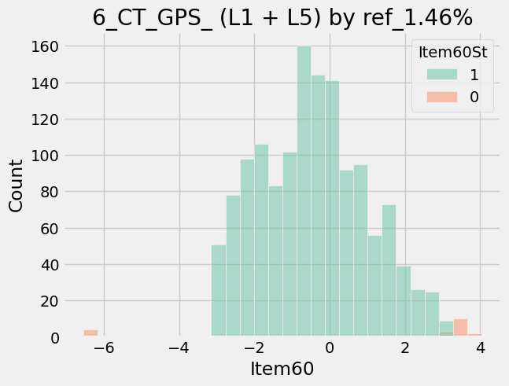

 | ATE-MOS測試NG，Q307跟Q306破，其他沒有看到破件內傷。跟Janet討論檢查點 (PR為手動ATE

